Serial Command Format Descripti
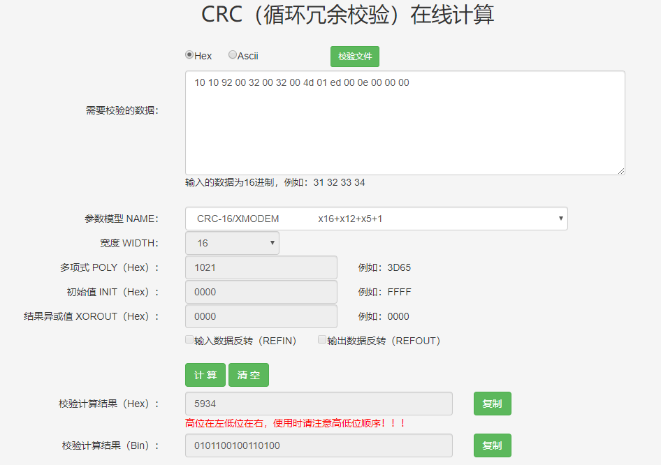
Serial Port Settings | Baud Rate: 115200 Parity: NONE Data Bits: 8 Stop Bits: 1 Flow Control: NONE

 | Instruction Parsing
Content | Instruction Header, Write Fixed Value 0x55 43 49 12 00 | CRC Check Part |  |  |  |  |  |  |  |  |  |  |  |  |  |  |  | CRC Check Result
 |  | Command Header |  |  | Reserved Bit | Parameter 1 Prameters1 |  |  |  | Parameter 2 Prameters2 |  |  |  | Parameter Length in Receipt Length |  | Reserved, write fixed value 0x0000
Length/byte | 5 | 3 |  |  | 1 | 4 |  |  |  | 4 |  |  |  | 2 |  | 2 |  | 2
Command | 0x55 43 49 12 00 | Command Class | Module Command Index | SubCmd | reserved | Para1[0] | Para1[1] | Para1[2] | Para1[3] | Para2[0] | Para2[1] | Para2[2] | Para2[3] | Len[0] | Len[1] | 0x00 | 0x00 | CRC16[0] | CRC16[1]

Example: Get the coordinates of the highest temperature point in the region of interest | 55 43 49 12 00 | 10 | 10 | 92 | 00 | 32 | 00 | 32 | 00 | 4d | 01 | ed | 00 | 0e | 00 | 00 | 00 | 34 | 59
 |  |  |  |  |  | X1=50 |  | Y1=50 |  | X2=333 |  | Y2=237 |  | Receipt data length is: 14byte
55 43 49 12 00 10 10 92 00 32 00 32 00 4d 01 ed 00 0e 00 00 00 34 59
Receipt | CRC Check Part |  |  |  |  |  |  |  |  |  |  |  |  |  |  |  |  |  | CRC Check Result |  | Instruction Tail, Write Fixed Value
 | Instruction Header, Write Fixed Value | Instruction Data Part Length |  | Instruction Status | Instruction Data Part
 | BE AA | 0F 00 |  | 00 | D4 | 1F | AE | 6F | E0 | 79 | 4C | 00 | D2 | 00 | 39 | 00 | 33 | 00 | D3 | F0 | EB | AA
 |  | Including Instruction Status, a total of 15byte receipt length |  | Non-00 is abnormal | Minimum Value |  | Average Value |  | Maximum Value |  | Minimum Value X Coordinate |  | Minimum Value Y Coordinate |  | Maximum Value X Coordinate |  | Maximum Value Y Coordinate
BE AA 0F 00 00 D4 1F AE 6F E0 79 4C 00 D2 00 39 00 33 00 D3 F0 EB AA
General Acknowledgment Receipt | CRC Check Part |  |  |  | CRC Check Result |  | Command End, Fixed Value
 | Instruction Header, Write Fixed Value | Instruction Data Part Length |  | Instruction Status
 | BEAA | 01 | 00 | 00 | 7B | 54 | EB | AA
BE AA 01 00 00 7B 54 EB AA

Video Output Settings |  |  |  |  |  |  |  |  |  |  |  | Command CRC Check
The mini2 series supports separate control and storage of digital and analog video. The module's factory settings do not enable any digital or analog output. If you need to modify it to a specified digital/analog output, please follow these steps: 1. Connect to the communication port (uart/usb/i2c) 2. Set the digital output format. Note that to ensure correct execution, you must send a digital output format (including turning off the digital output) 3. Set the analog output format. Note that to ensure correct execution, you must send an analog output format (including turning off the analog output) 4. Send the video output dedicated save command 5. After restarting, the module will output according to the previously saved format |  |  |  |  |  |  |  |  |  |  |  | 1. The CRC check part of the send command does not include the command header, the CRC check part of the receipt includes the command header 2. The model used for CRC check of the command data part is: CRC-16/XMODEM 3. You can try it at the following URL: http://www.ip33.com/crc.html In addition, our company also provides a CRC check code sample《crc16_sample.c》

